Instructions and Definitions
Instructions and Definitions for all Worksheets

Workbook Purpose

 | This workbook is to be used by the design team to identify the design elements to be included in the model deliverable and to determine the expectations for minimum Level of Detail and minimum Level of Information that each modeled element must poses at the time of the indicated submittal. There are 11 discipline specific worksheets as well as Project Information and Instructions and Definitions. The Project Information worksheet data is linked to each of the discipline specific sheets. This workbook is also to be used during the Model Integrity Check whereby the reviewer will select the correct response from the pick list under the INTEGRITY CHECK column. This workbook is to be completed and delivered with the Digital Delivery Execution Plan prior to the start of the project

A
B
C
 | Each worksheet is intended to be completed by the corresponding discipline Engineer or Designer. The header breakdown below is typical for all worksheets.

A
B
C
 |  | Column A: Elements that have the potential to be included in the model
 |  | Column B: Indicator for elements that will be included in the model. This is a pick list of YES and NO.
 |  | Columns C,J, Q & X: Milestone Submittals. To view each submittals selections, expand the columns by clicking on the "+" above column Columns D, K, R & Y: In Submittal indicates if the model element is developed for this submittal. E, L , S & Z: Minimum detail ranking to be assigned for each model element at each submittal (see "Element Detail Designations" this page) Columns F, M, T & AA: Minimum information ranking to be assigned for each model element at each submittal (see "Element Information Designations" this page) Columns G, N, U & AB: Indicator for the model elements dimension Columns I, P, W & AD: Integrity Check to be completed during the model review.

POPULATING THE WORKSHEET
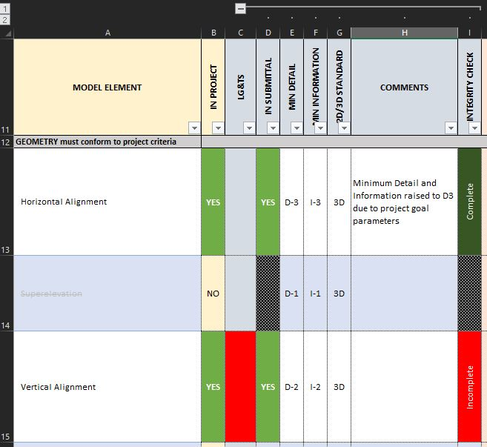

 | STEPS | DIRECTION
 | 1 | IN PROJECT: Select "YES" if the model element is required. This indicates that these elements will be included and "NO" if the element will not be in the model. Use the "IN PROJECT" filter to show only the list of elements in the project
 | 2 | IN SUBMITTAL: Select "YES"/"NO" to indicate if this model element will or will not be developed for this milestone submittal.
 | 3 | MIN DETAIL: Select minimum element detail indicator to show the appropriate minimum detail level for the element. (See Element Detail Designation below)
 | 4 | MIN INFORMATION: Select element detail deviation indicator to show the appropriate deviation of detail for the element. (An explanation for the deviation is required)
 | 5 | 2D/3D STANDARD: Indicates the elements spatial dimension
 | 6 | COMMENTS: Required description outlining the reason for changing the minimum recommendations for detail and information
 | 7 | INTEGRITY CHECK: The reviewer should select either Complete or Incomplete to indicate if the model element has been developed in a manner that satisfies both the level of detail and information.
 | Note: Each Submittal set functions identically.
 | Element Detail Designation | Definition
 | D-1 | 3D model elements represent general size, shape 2D model elements shown as lines or symbols
 | D-2 | 3D model elements represent approximate size, shape 2D model elements represent approximate shape and length Standard or special drawings may be needed to provide graphical details not included in the model element (e.g., reinforcing steel, bolts, connectors)
 | D-3 | 3D model elements represent specific size, shape 2D model elements represent specific shape and length Standard or special drawings may be needed to provide graphical details not included in the model element (e.g., reinforcing steel, bolts, connectors)
 | D-4 | 3D model element represents the fabrication size, shape and graphical details. Depiction of design fabrication details to enable quantity takeoffs without the need of standard or special drawings 2D model element represents the fabrication shape and length

 | Element Information Designation | Definition
 | I-1 | Model elements are in a general location and orientation and, contain only dimensional geometric data Element does not have attributes attached; thus information cannot be reliably derived from the model element without notes, dimensions and special details and/or tables.
 | I-2 | Model elements are in an approximate location and orientation and, can be queried for individual (e.g., each), linear and area (e.g., linear feet, square yards) quantities Notes, dimensions and details may be needed to obtain further element information. Information attributes may be attached as a placeholder to input detailed information later as the model element progresses in the modeling process
 | I-3 | Model elements are in a specific location and orientation and, element can be queried for individual (e.g., each), linear, area and volumetric (e.g., linear feet, square yards, cubic feet) quantities Attributes containing data pertinent to construction, such as pay item number and material type (Pub 408 specifications) have been added to the model elements and the associated data may be reliably queried
 | I-4 | Model elements are in their exact location and orientation and, can be queried for individual (e.g., each), linear, area and volumetric (e.g., linear feet, square yards, cubic feet) quantities I-3 attributes along with asset data needed for management and maintenance have been added to the model elements and the associated data may be reliably queried

 | Milestone Deliverable | Authorized Uses
 | Line, Grade and Typical Section (LG&TS) | Preliminary design approval, Visualization
 | Design Field View (DFV) | Visualization, Right-of-way coordination Utility coordination, Permit applications Multi-disciplinary collaboration Clash detection, Constructability reviews
 | Field Design Office Meeting (FDOM) or Constructability Review | Visualization, Pre-construction QC Quantity takeoffs Constructability reviews Construction inspection
 | Plan, Specification and Estimate (PS&E) | Visualization, Pre-construction QC Quantity takeoffs, Construction layout and AMG Construction inspection

 | Milestone Deliverable | Bridge Element Authorized Uses
 | H&H Report | Preliminary design approval, Visualization
 | TS&L Report | Visualization Utility coordination, Multi-disciplinary collaboration
 | Foundation Submittal | Visualization, Pre-construction QC Constructability reviews Construction inspection
 | Final Review of Plan | Visualization, Pre-construction QC Construction layout Construction inspection
 | Plan, Specification, and Estimate (PS&E) | Visualization, Pre-construction QC Construction layout Construction inspection

