Instructions
PennDOT Digital Delivery Project Digital File Index - Instructions
This workbook is to be used in conjunciton with the PennDOT Digital Delivery Guidelines.
Follow the steps below to complete the Project Digital File Index
Step 1
Document the project information and use the pull down to identify the current submittal.
Step 2
Review the typical file type disciplines below. Add additional categories approporiate to the project and update the data validation list as shown below.
Step 3
In the Digital File Index tab, use the pull down to identify the file type discpline and then enter the file name, description, and responsible party. The responsible party is typically the model author or the person who is in charge of making changes to the design file.
Step 4
Create a pdf of the digital file index tab for each submitall for document control purposes. Continue adding to the list for each submittal and update the current submittal pull down.

Project Name: | Project Name |  | How to Update Data Validation list
County Number: | CC
State Route or Township Number: | SSSS |  | 1. Add additional categories to the list on the left
Section Number or Survey callout: | XXX |  | 2. Open the dialog box under Data >> Data Tools >> Data Validation
ECMS Number: | EEEEEE |  | 3. Update the Source to include the additional cells
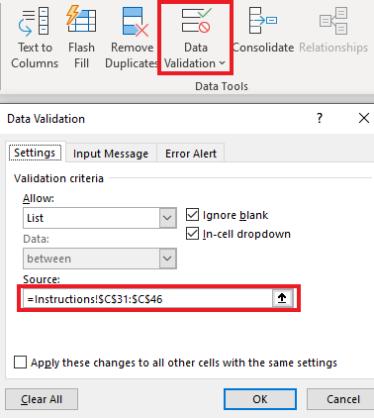
Current Submittal: | (Set Current Submittal)

Submittal Types | Line, Grade & Typical Section
 | Safety Review
 | H&H Report
 | Type, Size, and Location
 | Design Field View
 | Foundation Report
 | Final Review of Plans (Bridge)
 | Constructability Review
 | Final Design Office Meeting
 | PS&E
 | (Set Current Submittal)

File Type Disciplines | Geometry
 | Roadway
 | Earthwork
 | Structures
 | Drainage
 | ESPC
 | PCSM
 | Traffic
 | Utilities
 | Landscaping
 | Survey
 | Right of Way
 | Rail
 | Sheets
 | Models
 | Exports
 |  | <---- Add additional categories here
 |  | <---- Add additional categories here
 |  | <---- Add additional categories here
 |  | <---- Add additional categories here

