ISD Calcs
Changing Intersection Sight Distance (NCHRP Report 875)

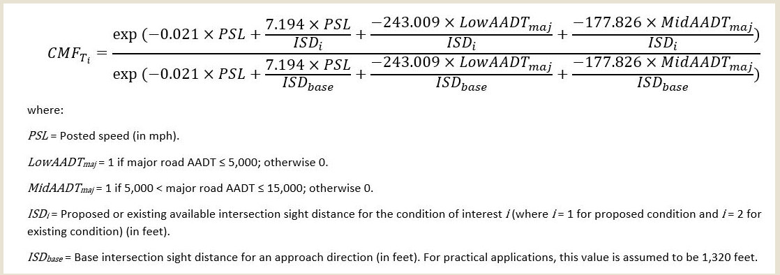
CMF ID #9656 (Total Crashes)
PSL (MPH) | 45
Low AADTmaj | 9,300
MidAADTmaj | 9,300
ISDi (ft) | 450
ISDbase (ft) | 260

CMF | 0.79

CMF ID #9657 (F&I Crashes)
PSL (MPH) | 45
Low-Mid AADTmaj | 9,300
ISDi (ft) | 450
ISDbase (ft) | 260

CMF | 0.81

